Application Screen
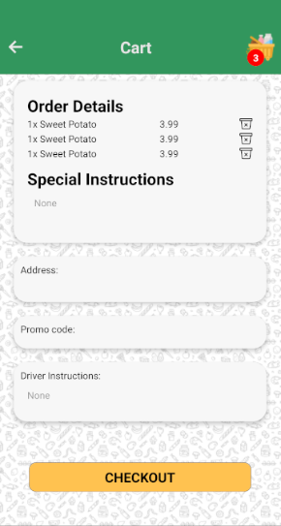
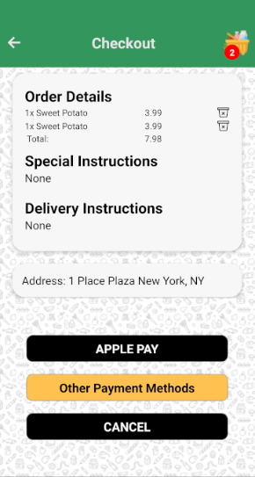

Test Case 9
TC Title: | TC9. Checkout Order – Data Flow In

TC Objective: | This test case validates whether the data of the order can flow from Manage orders core feature to Chectkout order core feature

Data Flow Diagram | 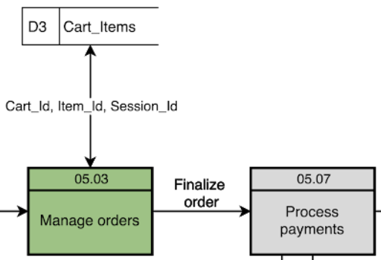

TC Description
 | Step | Step Description | Expected Results
 | 1 | Enter information in the Driver Instructions text input field | Verify if the actor can see the information of Driver Instructions in the Cart page
 | 2 | Enter information in the Address text input field | Verify if the actor can see the information of Address in the Cart page
 | 3 | Enter information in the Promo code text input field | Verify if the actor can see the information of Promo code in the Cart page
 | 4 | Click "Checkout" button | Verify if the actor can be routed to the Checkout page and see the same information in the Checkout page as entered in the Cart page

